Cell Styles
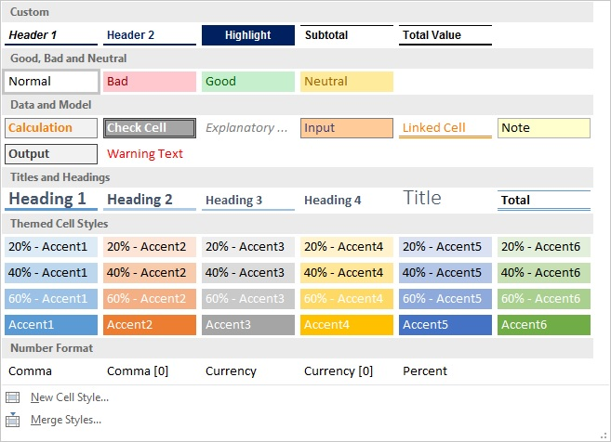
SOLUTION - Cell Styles

Task: Use the answer of the previous exercise to create five cell styles (general numbers, highlighted area, headers, subtotal, and total values). Apply the cell styles to the table below. You should obtain the same result as before.
Hint: Be careful when transferring cell styles of subtotal and total values. You should get the cell style from a subtotal number and not from text (e.g., "Existing fixed assets"), because the latter could create formatting issues with the numbers in the new table.

 |  | Forecast
$ in mln | 2016-12-31 | 2017-12-31 | 2018-12-31 | 2019-12-31 | 2020-12-31 | 2021-12-31
Beginning PP&E | 632.5 | 659.5 | 673.6 | 684.3 | 694.3 | 703.7
D&A | (41.0) | (44.3) | (45.3) | (46.0) | (46.7) | (47.3)
Existing fixed assets | 591.5 | 615.2 | 628.3 | 638.3 | 647.7 | 656.4
Capex | 68.0 | 58.4 | 56.0 | 56.0 | 56.0 | 56.0
Ending PP&E | 659.5 | 673.6 | 684.3 | 694.3 | 703.7 | 712.4

Don't be afraid to use the Alt + H + J + N shortcut when performing this exercise!

Expand the Cell Styles menu from the Ribbon. Click on New Cell Style and then assign a name to the style you are creating.

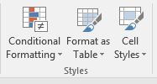

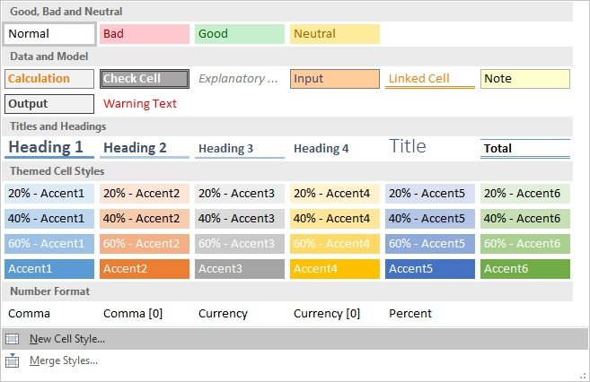

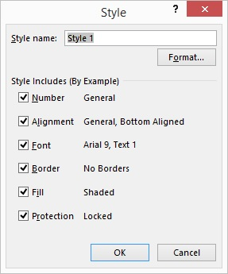

 | Suggested Cell Style Name
Header 1 ("$ in mln.") | Header 1
Header 2 (the dates) | Header 2
Highlighted Text | Highlighted
Number | Number Formatting
Subtotal | Subtotal
Total | Total/Total Value

To apply a cell style you have created, select the cell(s) whose formatting you would like to change and open the Cell Styles menu. Click on the style you would like to apply.

